Problem 6
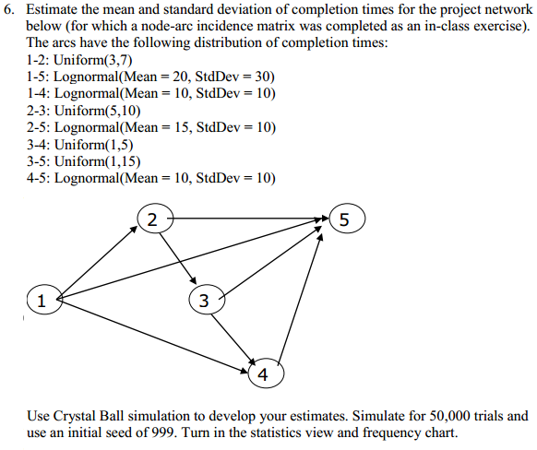

Node | 1-2* | 1-4* | 1-5* | 2-3* | 2-5* | 3-4* | 3-5* | 4-5*
1 | 1 | 1 | 1 | 0 | 0 | 0 | 0 | 0
2 | -1 | 0 | 0 | 1 | 1 | 0 | 0 | 0
3 | 0 | 0 | 0 | -1 | 0 | 1 | 1 | 0
4 | 0 | -1 | 0 | 0 | 0 | -1 | 0 | 1
5 | 0 | 0 | -1 | 0 | -1 | 0 | -1 | -1

Node | 1-2* | 1-4* | 1-5* | 2-3* | 2-5* | 3-4* | 3-5* | 4-5*
1 | 0 | 0 | 0 | 0 | 0 | 0 | 0 | 0 | 0
2 | 0 | 0 | 0 | 0 | 0 | 0 | 0 | 0 | 0
3 | 0 | 0 | 0 | 0 | 0 | 0 | 0 | 0 | 0
4 | 0 | 0 | 0 | 0 | 0 | 0 | 0 | 0 | 0
5 | 0 | 0 | 0 | 0 | 0 | 0 | 0 | 0 | 0
 | 0 | 0 | 0 | 0 | 0 | 0 | 0 | 0

